Background Information


 | Office of Institutional Research and Planning

Project Background and Project Scope

On March 2, 2018, notice of changes to the MIS Data Element Dictionary was distributed to the colleges for implementation beginning Summer 2018. The below highlights the changes made to the Data Element Dictionary:

SB Student Basic Data Reporting

An existing element has been amended and four new elements have been added. The record length has been increased to 230 characters.

SB23 STUDENT-APPRENTICESHIP-STATUS has been amended
SB34 STUDENT-CCC-ID has been added
SB35 STUDENT-SS-ID has been added
SB36 STUDENT-TRANSGENDER has been added
SB37 STUDENT-SEXUAL-ORIENTATION has been added

SC Student CalWORKs Data Reporting

A new element has been added.

SC18 ELIGIBILITY-TIME-LIMIT-STATUS has been added

SG Special Populations Data Reporting

An existing element has been amended and eight new elements have been added. The record length has been increased to 60 characters.

SG10 STUDENT-CAA-STATUS has been amended
SG11 STUDENT-CAFYES-STATUS amended definition has been updated
SG14 STUDENT-ECONOMICALLY-DISADV-STATUS has been added
SG15 STUDENT-EX-OFFENDER-STATUS has been added
SG16 STUDENT-HOMELESS-STATUS has been added
SG17 STUDENT-LONGTERM-UNEMPLOY-STATUS has been added
SG18 STUDENT-CULTURAL-BARRIER-STATUS has been added
SG19 STUDENT-SEASONAL-FARM-WORK-STATUS has been added
SG20 STUDENT-LITERACY-STATUS has been added
SG21 STUDENT-WORK-BASED-LEARNING-STATUS has been added

SF and FA Student Financial Aid Reporting

An existing element has been amended.

SF21 STUDENT-AID-AWARD-TYPE has been amended to allow for reporting of new award types
· New Award Type: GH = Completion Grant (CCCG)
· New Award Type: GI = Cal Grant A
· New Award Type: GJ = Dreamer Grant
· New Award Type: GQ = Equity Grant
· New Award Type: GR = SSSP Grant

SA Student Assessment Data Reporting

A new element has been added.

SA07 STUDENT-EDUCATIONAL-FUNCTION-LEVEL has been added

NOCE has already drafted questions on how to capture Elements SB36, SB37, SG16, and SG19.
The purpose of this document is to provide guidance for NOCE regarding the questions to ask student so that the special populations (SG) may be best collected.

Revision 1/28/2019
After receiving feedback from piloting data collection in the field, questions for the collection of SG14 and SG21 have been revised.
Additionally, upon review, the way in which the questions for gender and sexual orientation are phrased have been revised, taking into consideration
methodology and recommendations by the GENIUSS group (https://williamsinstitute.law.ucla.edu/wp-content/uploads/geniuss-report-sep-2014.pdf).

Element Defs & Proposed Q's
 |  |  |  | Office of Institutional Research and Planning

SG14

 | • DATA DEFINTION
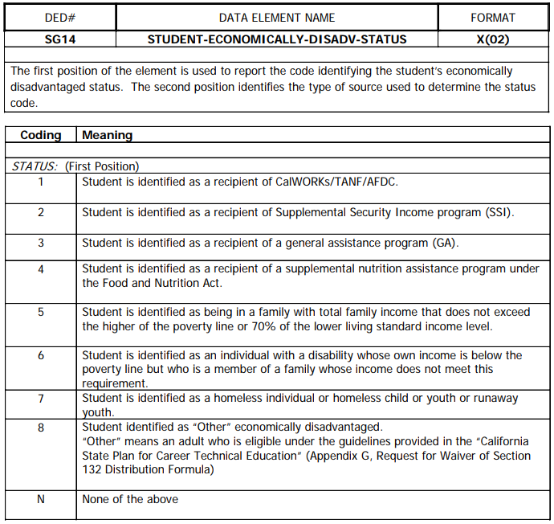

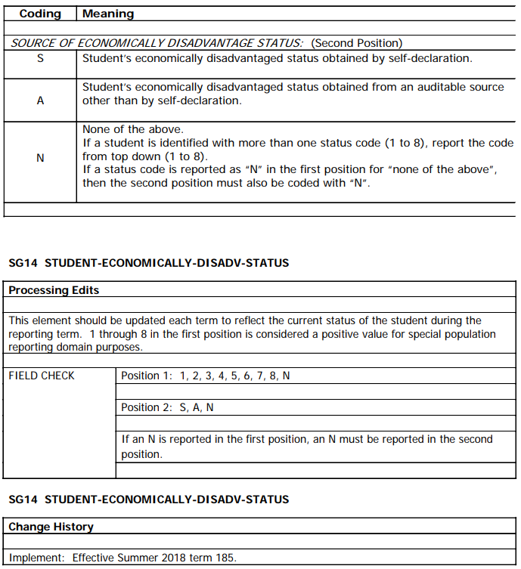

 | • PROPOSED QUESTIONS

 |  | Do you currently receive any of the following types of assistance? (Check all that apply)
 |  | ❑ | CalWORKs, Temporary Assistance for Needy Families (TANF), or Aid to Families with Dependend Children (AFDC)
 |  | ❑ | Supplemental Security Income (SSI)
 |  | ❑ | General Assistance (GA)
 |  | ❑ | Supplemental Nutrition Assistance Program (SNAP, Food Stamps)
 |  | ❑ | Foster Care, Medical/Medicaid, HUD Section 8 Housing Assistance, or other economic public assistance
 |  | ❑ | I am not currently receiving any public assistance.

 |  | Please select your approximate annual household income.
 |  | 🔘 | $0 to $15,000
 |  | 🔘 | $15,001 to $30,000
 |  | 🔘 | $30,001 to $45,000
 |  | 🔘 | $45,001 to $60,000
 |  | 🔘 | $60,001 to $75,000
 |  | 🔘 | Over $75,000
 |  | 🔘 | I do not know my approximate household income.

 |  | Please enter the number of people in your household.

 | • RATIONALE

 |  | Choices for this question are inspired by the questions asked on the NOCCCD student VTEA survey to capture
 |  | SV03 - Student VTEA Economically Disadvantaged Status. As there is much overlap between the SV03 and SG14,
 |  | many of the choices are taken directly from the student VTEA survey. However, since SG14 codes SNAP
 |  | with its own individual coding while VTEA includes SNAP as part of its "other" category, SNAP is given its own
 |  | option in this questionaire.

 |  | Furthermore, to capture codes 5 (below poverty line or 70% lower living standard income) and 6 (student with
 |  | disability whose own income is below poverty line), the student's income and members of household are asked.
 |  | From this data, code 5 can be calculated. Code 6 can also be calculated from this data by examining a student's
 |  | disability (SD) record.

 |  | Code 7 (homeless) can be derived from SG16 and thus does not need to be asked in this question.

 |  | Upon piloting this question in the field, it was seen that students were hesitant to write in their annual
 |  | household income. In an attempt to improve the response rate to this item, OIRP will pilot asking students
 |  | to select an income range instead. Income ranges were selected based on the US Department of Health and
 |  | Human Services Poverty Guidelines for 2019(https://aspe.hhs.gov/poverty-guidelines).

 |  | Increments of $15,000 were selected to reduce the number of selections. Selections were extended to $75,000
 |  | to both prepare for future upward adjustments to the federal poverty level and to examine up to 200% poverty level
 |  | for families of up to six.

 |  | In asking students to select an income range, accuracy of determination of whether a student is economically
 |  | disadvantaged may suffer a bit. However, OIRP hopes that the challenges presented by a less precise number
 |  | are offset by student willingness to respond.

 |  | Additionally, responses of "I don't know" and "Not applicable" were included in an attempt to identify the
 |  | reasons for blank responses as there was no way to differentiate between responses intentionally left
 |  | blank due to the respondent declining to state or the question not being applicable to the respondent

 | • REVISION 1/28/19

 |  | - Included an "I am not currently receiving any public assistance" option to the public assistance list
 |  | - Changed annual household income to an income range selection
 |  | - Included an "I do not know my approximate household income" option to household income.

SG15

 | • DATA DEFINTION
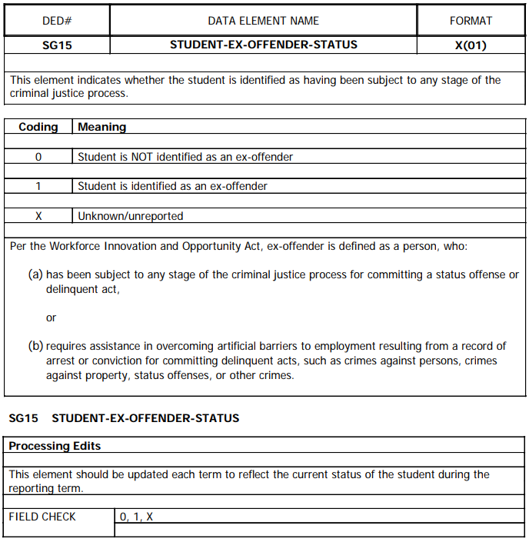

 | • PROPOSED QUESTIONS

 |  | Have you ever been charged with or convicted of a crime?

 | • RATIONALE

 |  | This question is derived from the question proposed by the RP Group for collecting this information, "Do you
 |  | currently experience a barrier to employment as a result of being charged or convicted of a crime?" The wording
 |  | was modified as the question proposed by the RP Group asks of ex-offender status as being a barrier to employment.
 |  | However, the data definition for this element does not seek to determine if a student self-identifies as being
 |  | hindered in finding employment, but rather, this element determines whether a student has ever been through
 |  | the criminal justice system. We elected not to simply ask if a student is an ex-offender due to the difficulty of the
 |  | language. Furthermore, it does not capture the arrest/indiction/trial piece written into the details of the data
 |  | element.

SG17

 | • DATA DEFINTION
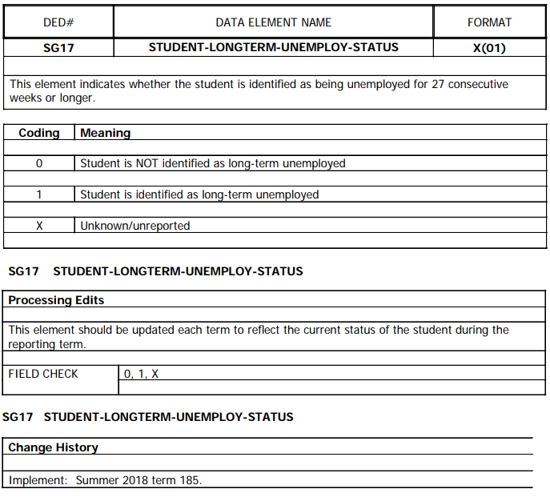

 | • PROPOSED QUESTIONS

 |  | Have you had a job in the last six months?

 |  | Have you been looking for a job in the last six months?

 | • RATIONALE

 |  | These questions are derived from the question proposed by Cabrillo College. The language is simplified from the
 |  | data definition of 27 weeks as 6 months is a close approximation, and it may be easier for a student to understand
 |  | whether they have been employed in a monthly timeframe as opposed to counting 27 weeks. The follow up
 |  | question is to determine workforce eligibility since those not actively seeking work are not considered a part of the
 |  | labor force.

SG18

 | • DATA DEFINTION
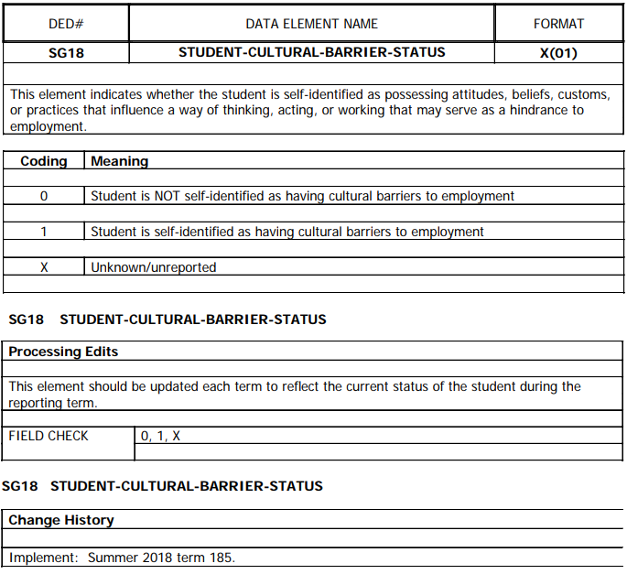

 | • PROPOSED QUESTIONS

 |  | Do you have any attitudes, beliefs, customs, or practices that make it hard for you to find a job?

 | • RATIONALE

 |  | This question is derived in part from the recommendation by the RP Group and from the wording of the data element.
 |  | The wording has been simplified to be more digestible to a wider audience.

SG20

 | • DATA DEFINTION
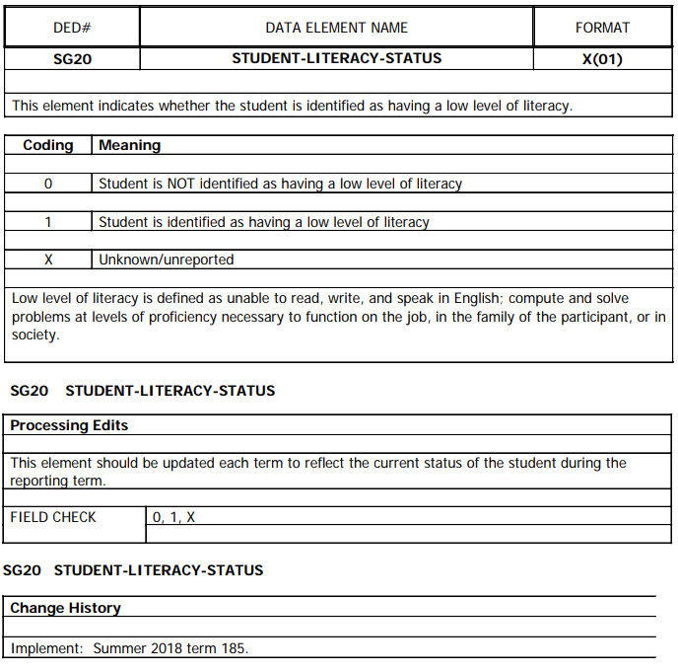

 | • PROPOSED QUESTIONS

 |  | Are you comfortable reading and writing in English?

 | • RATIONALE

 |  | This question is derived directly from how the question is currently asked on CCCApply.

SG21

 | • DATA DEFINTION
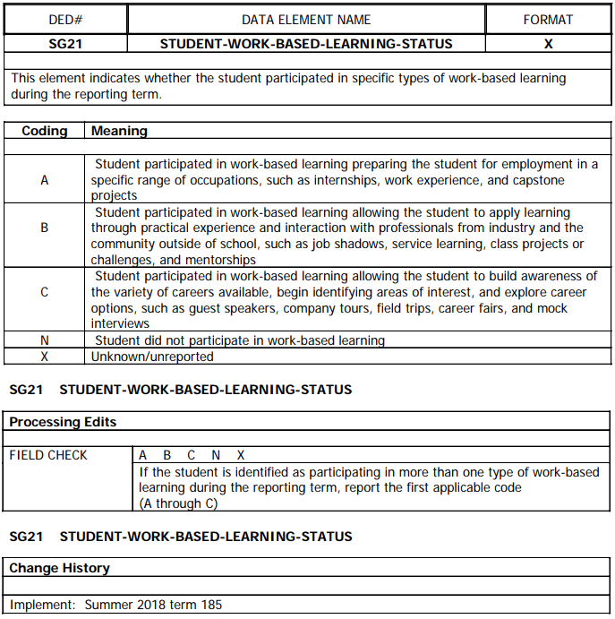

 | • PROPOSED QUESTIONS

 |  | Are you currently preparing for a job by participating in internships, work experience, or capstone projects?

 |  | Are you currently participating in activities that help you learn about a job through job shadows, service learning,
 |  | class projects, or mentorships from professionals working in that job?

 |  | Are you currently participating in any events or activities that will help you identify career interests or explore
 |  | career options such as guest speakers, company tours, field trips, career fairs, or mock interviews?

 | • RATIONALE

 |  | These questions are derived directly from the data definition using more concise language. Three questions must
 |  | be asked as all types of worked-based learning must be disaggregated and coded individually.

 | • REVISION 1/28/19

 |  | - Due to the SG21 element identifying whether the student is doing work-based learning in the current term,
 |  | wording has been revised to clarify that this. Prior wording had implied "have you ever…?"

